Totals
Total Sightings per Zip Code
 | Total
(blank)
Peregrine Falcon | 602419
Bobolink | 603463
Chimney Swift | 606608
Eastern Towhee | 619746
Golden-Winged Warbler | 626269
Blue-Winged Warbler | 628939
Red-Breasted Nuthatch | 642342
Wood Thrush | 650229
Scarlet Tanager | 663838
Yellow-Bellied Sapsucker | 672304
Postal | (All)

Row Labels | Sum of Sightings
(blank)
Peregrine Falcon | 602419
Bobolink | 603463
Chimney Swift | 606608
Eastern Towhee | 619746
Golden-Winged Warbler | 626269
Blue-Winged Warbler | 628939
Red-Breasted Nuthatch | 642342
Wood Thrush | 650229
Scarlet Tanager | 663838
Yellow-Bellied Sapsucker | 672304
Grand Total | 6316157

Desc
 | Birds | Description
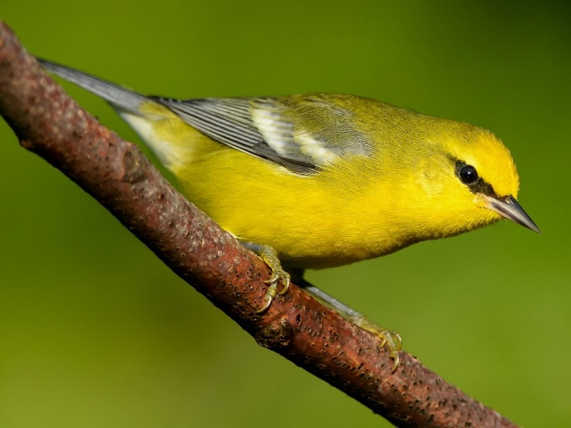 | Blue_Winged_Warbler | The Blue-winged Warbler sings a distinctive bee-buzz from brushy fields. It dangles from branches and leaves, foraging like a chickadee but shows off bright warbler plumage: a yellow belly, yellow-olive back, and white wingbars across blue-gray wings. A shrubland and old field specialist, it has benefited from landscape changes over the last 150 years as forest clearcuts and agricultural fields have grown up into scrubby fields. These changes have helped it expand northward, where it now hybridizes with and possibly threatens the much rarer Golden-winged Warbler.
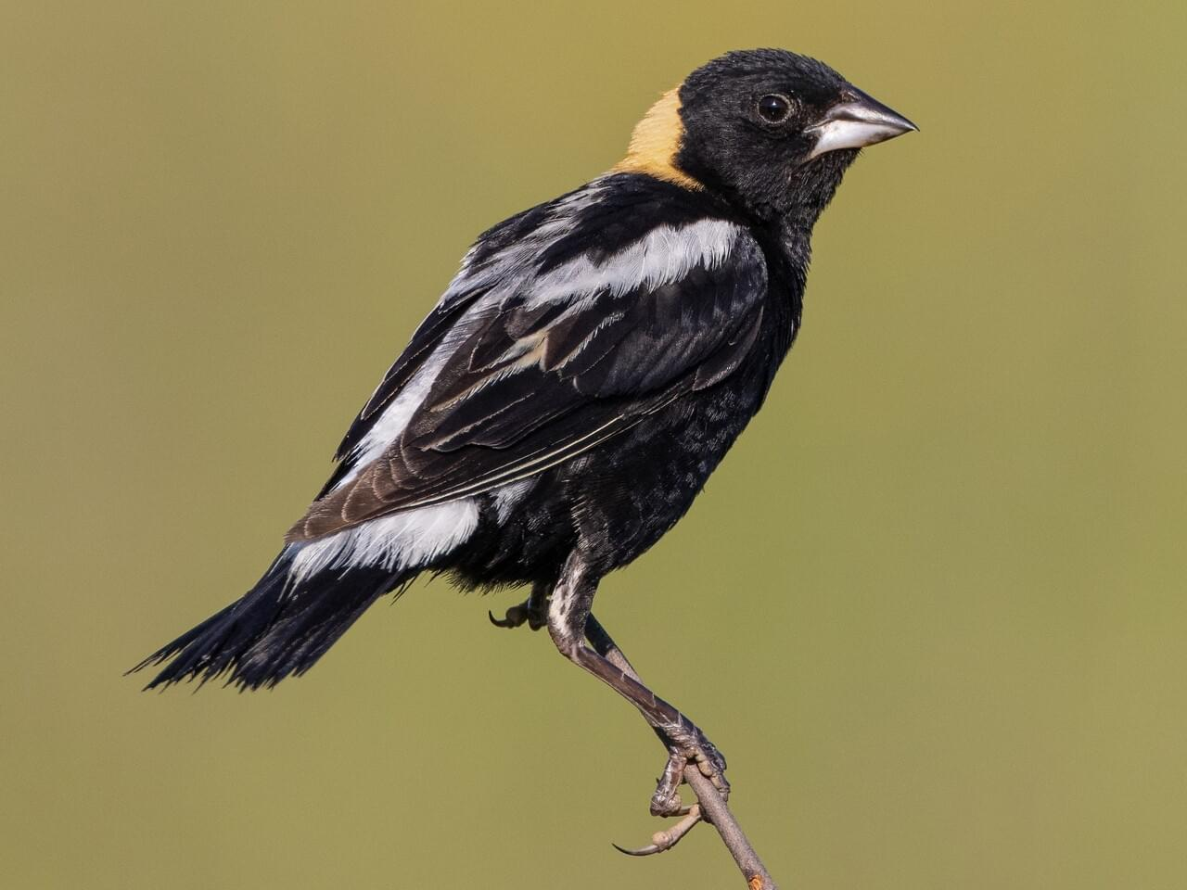 | Bobolink | Perched on a grass stem or displaying in flight over a field, breeding male Bobolinks are striking. No other North American bird has a white back and black underparts (some have described this look as wearing a tuxedo backwards). Added to this are the male’s rich, straw-colored patch on the head and his bubbling, virtuosic song. As summer ends he molts into a buff and brown female-like plumage. Though they’re still fairly common in grasslands, Bobolink numbers are declining.
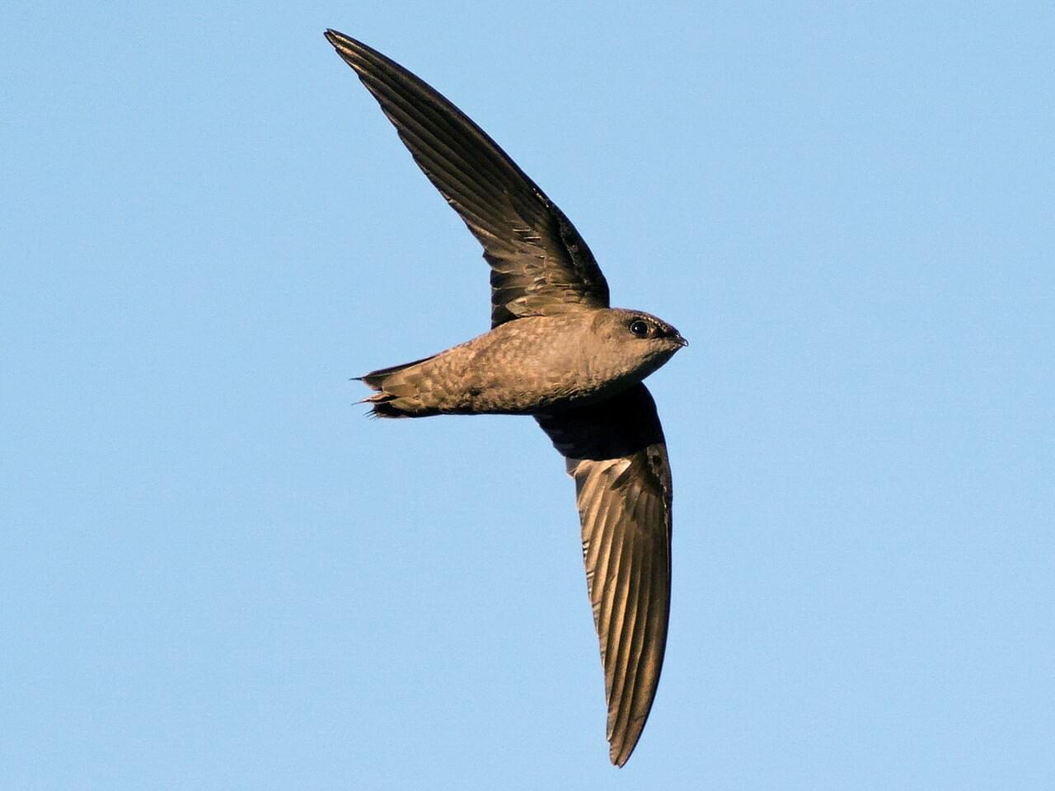 | Chimney_Swift | A bird best identified by silhouette, the smudge-gray Chimney Swift nimbly maneuvers over rooftops, fields, and rivers to catch insects. Its tiny body, curving wings, and stiff, shallow wingbeats give it a flight style as distinctive as its fluid, chattering call. This enigmatic little bird spends almost its entire life airborne. When it lands, it can’t perch—it clings to vertical walls inside chimneys or in hollow trees or caves. This species has suffered sharp declines as chimneys fall into disuse across the continent.
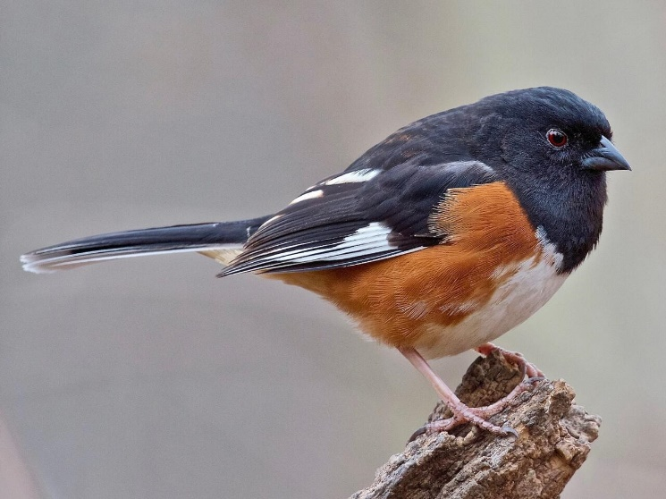 | Eastern_Towhee | A strikingly marked, oversized sparrow of the East, feathered in bold black and warm reddish-browns – if you can get a clear look at it. Eastern Towhees are birds of the undergrowth, where their rummaging makes far more noise than you would expect for their size. Their chewink calls let you know how common they are, but many of your sightings end up mere glimpses through tangles of little stems.
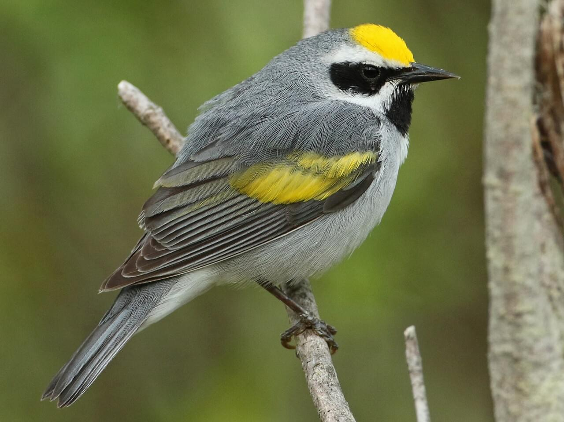 | Golden_Winged_Warbler | A boldly marked warbler with a color pattern all its own, Golden-winged Warblers are slim, silvery gray birds with golden flashes on the head and wings. They breed in wet, shrubby tangles of the Upper Midwest and Appalachians, and spend winters in open woodlands and shade-coffee plantations. They have suffered severe population declines in the last half-century. They often hybridize with Blue-winged Warblers, producing a range of distinctive forms.
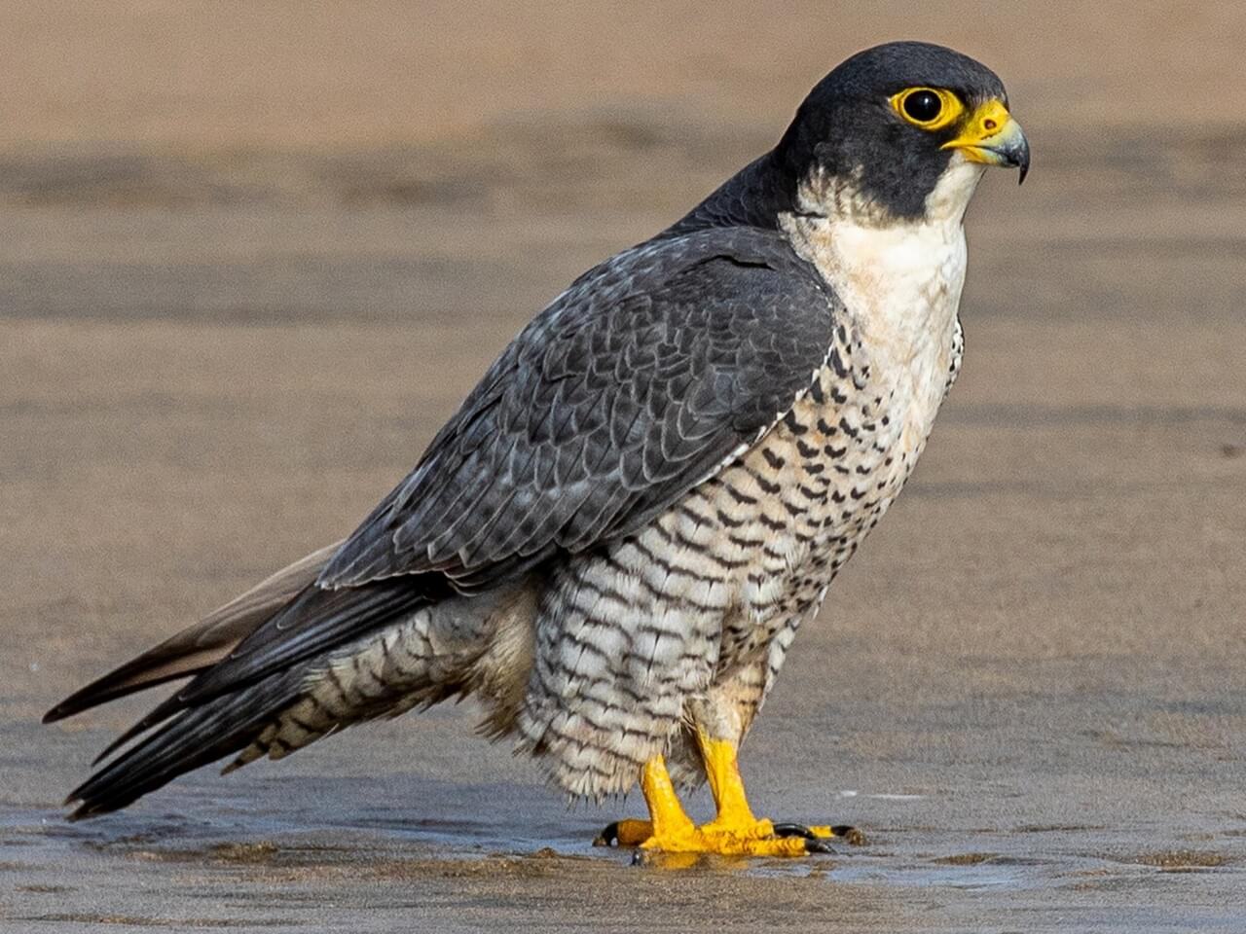 | Peregrine_Falcon | Powerful and fast-flying, the Peregrine Falcon hunts medium-sized birds, dropping down on them from high above in a spectacular stoop. They were virtually eradicated from eastern North America by pesticide poisoning in the middle 20th century. After significant recovery efforts, Peregrine Falcons have made an incredible rebound and are now regularly seen in many large cities and coastal areas.
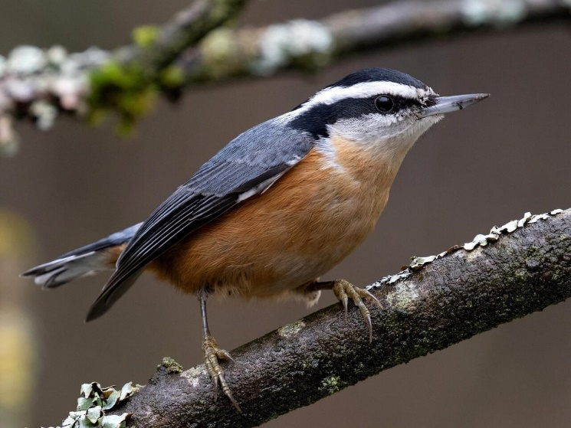 | Red_Breasted_Nuthatch | An intense bundle of energy at your feeder, Red-breasted Nuthatches are tiny, active birds of north woods and western mountains. These long-billed, short-tailed songbirds travel through tree canopies with chickadees, kinglets, and woodpeckers but stick to tree trunks and branches, where they search bark furrows for hidden insects. Their excitable yank-yank calls sound like tiny tin horns being honked in the treetops.
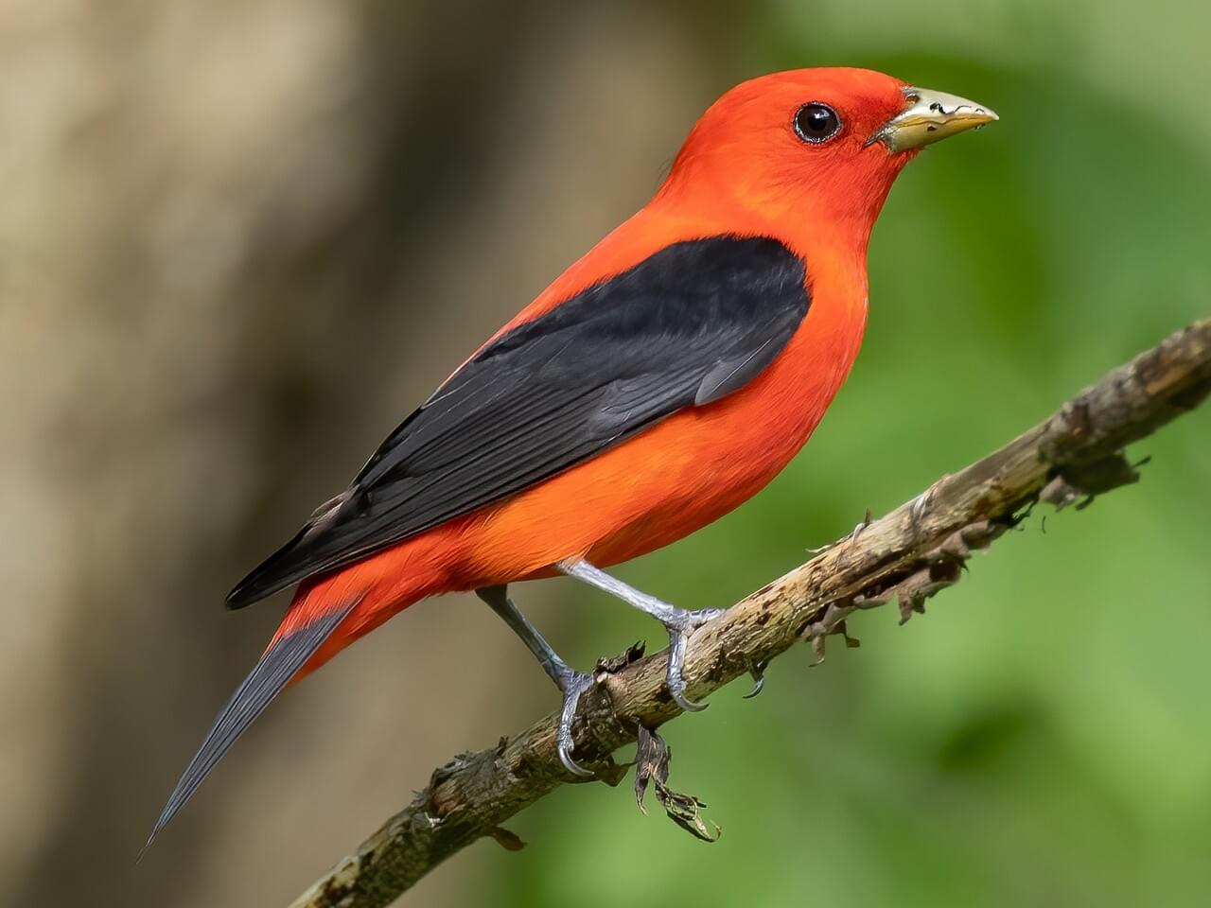 | Scarlet_Tanager | Male Scarlet Tanagers are among the most blindingly gorgeous birds in an eastern forest in summer, with blood-red bodies set off by jet-black wings and tail. They’re also one of the most frustratingly hard to find as they stay high in the forest canopy singing rich, burry songs. The yellowish-green, dark-winged females can be even harder to spot until you key in on this bird’s chick-burr call note. In fall, males trade red feathers for yellow-green and the birds take off for northern South America.
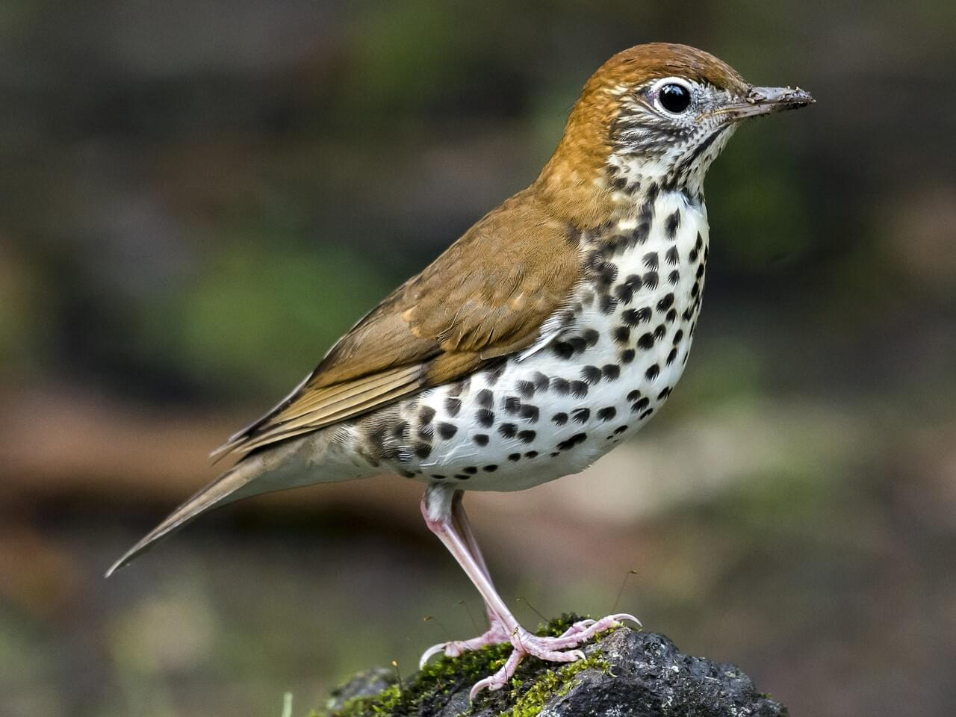 | Wood_Thrush | The Wood Thrush's loud, flute-clear ee-oh-lay song rings through the deciduous forests of the eastern U.S. in summer. This reclusive bird's cinnamon brown upperparts are good camouflage as it scrabbles for leaf-litter invertebrates deep in the forest, though it pops upright frequently to peer about, revealing a boldly spotted white breast. Though still numerous, its rapidly declining numbers may be due in part to cowbird nest parasitism at the edges of fragmenting habitat and to acid rain's depletion of its invertebrate prey.
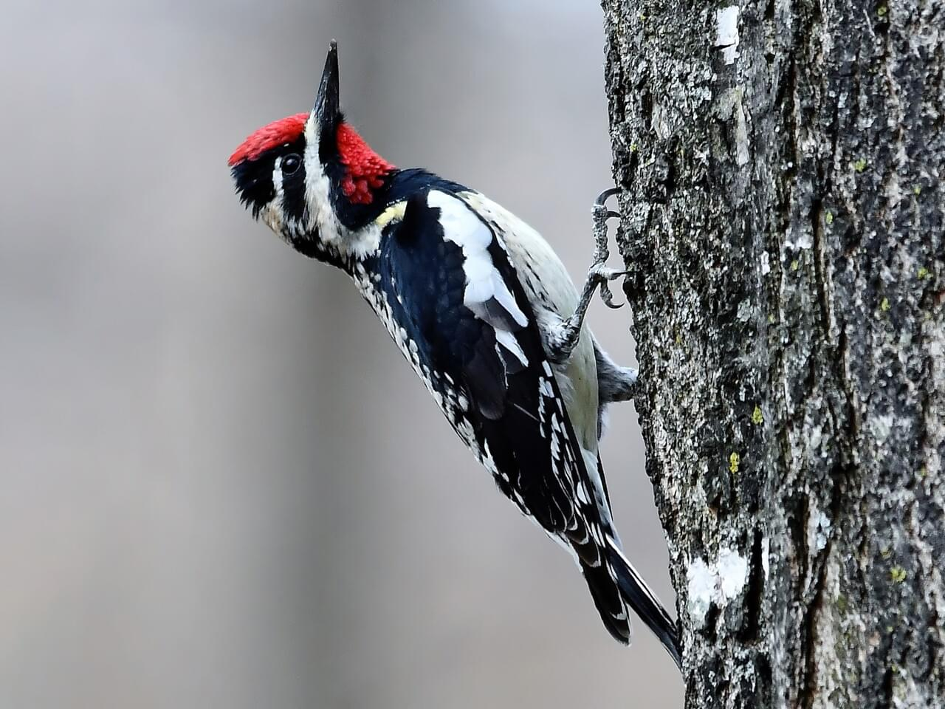 | Yellow_Bellied_Sapsucker | On a walk through the forest you might spot rows of shallow holes in tree bark. In the East, this is the work of the Yellow-bellied Sapsucker, an enterprising woodpecker that laps up the leaking sap and any trapped insects with its specialized, brush-tipped tongue. Attired sharply in barred black-and-white, with a red cap and (in males) throat, they sit still on tree trunks for long intervals while feeding. To find one, listen for their loud mewing calls or stuttered drumming.

Dashboard

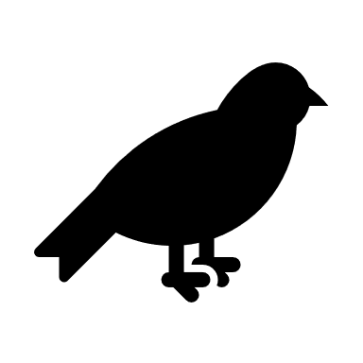
BIRD IS THE WORD
WELCOME TO VERMONT!

Total Sightings by Zip Code
 | Total
(blank)
Peregrine Falcon | 602419
Bobolink | 603463
Chimney Swift | 606608
Eastern Towhee | 619746
Golden-Winged Warbler | 626269
Blue-Winged Warbler | 628939
Red-Breasted Nuthatch | 642342
Wood Thrush | 650229
Scarlet Tanager | 663838
Yellow-Bellied Sapsucker | 672304

ADVISORY
Please DO NOT feed birds store bought bread. This causes the birds to feel full without gaining the nutrients needed to survive, and will only put these animals at risk!
APPROVED FOOD: Sunflower Seed, (Thistle) Seed, Peanuts, Safflower Seed, White Proso Millet, Suet, Nectar, Mealworms, Fruit & Jelly, Shelled & Cracked Corn

Help secure the future for birds at tisk from climate change, habitat loss and other threats. YOur support will power our science, education, advocacy and on-the-ground conservation efforts.

CLICK HERE TO DONATE
 |  | A bird best identified by silhouette, the smudge-gray Chimney Swift nimbly maneuvers over rooftops, fields, and rivers to catch insects. Its tiny body, curving wings, and stiff, shallow wingbeats give it a flight style as distinctive as its fluid, chattering call. This enigmatic little bird spends almost its entire life airborne. When it lands, it can’t perch—it clings to vertical walls inside chimneys or in hollow trees or caves. This species has suffered sharp declines as chimneys fall into disuse across the continent.

 | Chimney_Swift

